Worksheet
 |  |  |  |  |  |  |  |  | 1,184,005.00 € | 1809
IMAGE | SKU | BRAND | PRODUCT | GROUP | GENDER | COLOR | COMPOSITION | RETAIL PRICE | TOTAL RETAIL | TOT.QTY | TU | XS | S | M | L | 36 | 36.5 | 37 | 37.5 | 38 | 38.5 | 39 | 39.5 | 40 | 41 | 42 | 44 | 46 | 48 | 50
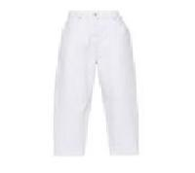 | PAD272W367I4470000_VR13 | Fabiana Filippi | 5 POCKETS DENIM | Clothing | Woman | WHITE | 98%CO 2%EA | € 260.00 | € 4940.00 | 19 |  |  |  |  |  |  |  |  |  | 5 |  |  |  | 7 |  | 3 | 2 | 2
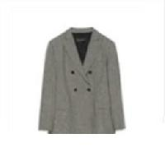 | GCD213F171D5620000_2181 | Fabiana Filippi | BLAZER | Clothing | Woman | PINK | 53%PL 43%WV 4%EA|57%VI 43%PBT | € 880.00 | € 880.00 | 1 |  |  |  |  |  |  |  |  |  |  |  |  |  |  |  |  | 1
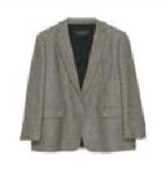 | GCD213F173D5540000_1248 | Fabiana Filippi | BLAZER | Clothing | Woman | CAMEL | 100%WV|57%VI 43% | € 980.00 | € 980.00 | 1 |  |  |  |  |  |  |  |  |  |  |  |  |  |  |  | 1
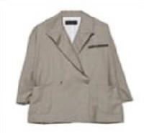 | GCD272B744F8320000_8154 | Fabiana Filippi | BLAZER | Clothing | Woman | GREY | 100%WV | € 750.00 | € 750.00 | 1 |  |  |  |  |  |  |  |  |  |  |  |  |  |  |  |  |  | 1
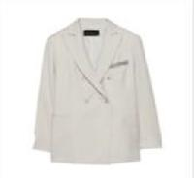 | GCD272B749F8320000_8154 | Fabiana Filippi | BLAZER | Clothing | Woman | GREY | 100%WV | € 740.00 | € 740.00 | 1 |  |  |  |  |  |  |  |  |  |  |  |  |  |  |  |  | 1
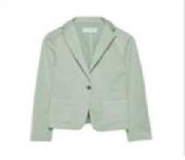 | GCD272W227I3580000_6138 | Fabiana Filippi | BLAZER | Clothing | Woman | GREEN | 98%CO 2%EA | € 465.00 | € 465.00 | 1 |  |  |  |  |  |  |  |  |  |  |  |  |  |  |  |  |  | 1
 | GCD272W227I3580000_766 | Fabiana Filippi | BLAZER | Clothing | Woman | YELLOW | 98%CO 2%EA | € 465.00 | € 465.00 | 1 |  |  |  |  |  |  |  |  |  |  |  |  |  |  |  |  |  | 1
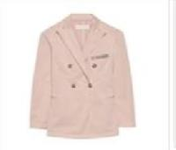 | GCD272W237I3580000_3032 | Fabiana Filippi | BLAZER | Clothing | Woman | RED | 98%CO 2%EA | € 620.00 | € 620.00 | 1 |  |  |  |  |  |  |  |  |  |  |  |  |  | 1
 | GCD272W237I3580000_5131 | Fabiana Filippi | BLAZER | Clothing | Woman | BLUE | 98%CO 2%EA | € 620.00 | € 620.00 | 1 |  |  |  |  |  |  |  |  |  |  |  |  |  |  |  |  | 1
 | GCD272W237I3580000_6137 | Fabiana Filippi | BLAZER | Clothing | Woman | GREEN | 98%CO 2%EA | € 620.00 | € 620.00 | 1 |  |  |  |  |  |  |  |  |  |  |  |  |  |  |  |  |  |  | 1
 | GCD272W237I358M417_5131 | Fabiana Filippi | BLAZER | Clothing | Woman | BLUE | 98%CO 2%EA | € 590.00 | € 590.00 | 1 |  |  |  |  |  |  |  |  |  |  |  |  |  |  |  |  |  | 1
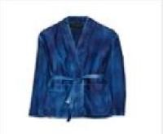 | PLD272B790F7910000_VR2 | Fabiana Filippi | BLAZER | Clothing | Woman | BLUE | 100% LE | € 1670.00 | € 1670.00 | 1 |  |  |  |  |  |  |  |  |  |  |  |  |  | 1
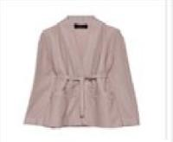 | PLD272B792F7920000_8110 | Fabiana Filippi | BLAZER | Clothing | Woman | GREY | 100% LE | € 1900.00 | € 1900.00 | 1 |  |  |  |  |  |  |  |  |  |  |  |  |  |  |  |  |  | 1
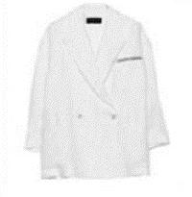 | GCD272B755D4140000_075 | Fabiana Filippi | BLAZER | Clothing | Woman | WHITE | 100%LI | € 765.00 | € 2295.00 | 3 |  |  |  |  |  |  |  |  |  |  |  |  |  |  |  | 3
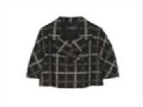 | GCD213F170D5620000_4029 | Fabiana Filippi | BLAZER | Clothing | Woman | ORANGE | 53%PL 43%WV 4%EA|57%VI 43%PBT | € 740.00 | € 4440.00 | 6 |  |  |  |  |  |  |  |  |  | 1 |  |  |  | 2 |  | 1 | 1 | 1
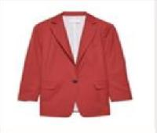 | GCD272W234D3060000_5131 | Fabiana Filippi | BLAZER | Clothing | Woman | BLUE | 100%WV | € 790.00 | € 10270.00 | 13 |  |  |  |  |  | 1 |  |  |  | 4 |  |  |  | 4 |  | 1 | 1 | 2
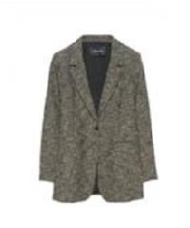 | GCD223F529H7840000_825 | Fabiana Filippi | BLAZER | Clothing | Woman | BLACK | 100%WV|57%VI 43% | € 950.00 | € 18050.00 | 19 |  |  |  |  |  |  |  |  |  | 2 |  |  |  | 5 |  | 4 | 4 | 3 | 1
 | GCD272W234D3060000_3032 | Fabiana Filippi | BLAZER | Clothing | Woman | RED | 100%WV | € 790.00 | € 45820.00 | 58 |  |  |  |  |  |  |  |  |  | 6 |  |  |  | 17 |  | 18 | 9 | 5 | 3
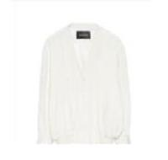 | GCD223F538H7870000_VR1 | Fabiana Filippi | BOMBER | Clothing | Woman | WHITE | 87%VI 13%WO|100%PA | € 1000.00 | € 1000.00 | 1 |  |  |  |  |  |  |  |  |  |  |  |  |  |  |  |  | 1
 | GCD223F538H7870000_VR4 | Fabiana Filippi | BOMBER | Clothing | Woman | BLACK | 87%VI 13%WO|100%PA | € 1000.00 | € 1000.00 | 1 |  |  |  |  |  |  |  |  |  |  |  |  |  | 1
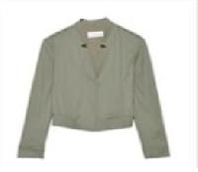 | GCD272W214D2800000_825 | Fabiana Filippi | BOMBER | Clothing | Woman | BLACK | 100%CO | € 560.00 | € 560.00 | 1 |  |  |  |  |  |  |  |  |  |  |  |  |  |  |  |  | 1
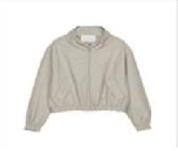 | PLD271W271F2620000_8154 | Fabiana Filippi | BOMBER | Clothing | Woman | GREY | 100% LE | € 1880.00 | € 1880.00 | 1 |  |  |  |  |  |  |  |  |  |  |  |  |  |  |  |  | 1
 | PLD272W274I3840000_1238 | Fabiana Filippi | BOMBER | Clothing | Woman | BROWN | 100% LE | € 1640.00 | € 1640.00 | 1 |  |  |  |  |  |  |  |  |  |  |  |  |  | 1
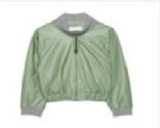 | PLD272W282I3870000_8168 | Fabiana Filippi | BOMBER | Clothing | Woman | GREY | 100% LE | € 1770.00 | € 1770.00 | 1 |  |  |  |  |  |  |  |  |  |  |  |  |  |  |  |  | 1
 | GCD223F538H8480000_2184 | Fabiana Filippi | BOMBER | Clothing | Woman | PINK | 99%VI 1%EA|57%VI 43%PBT | € 880.00 | € 1760.00 | 2 |  |  |  |  |  |  |  |  |  |  |  |  |  |  |  | 1 | 1
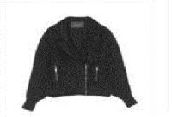 | PLD213F202H6920000_825 | Fabiana Filippi | BOMBER | Clothing | Woman | BLACK | 100% LE|57%VI 43%PBT | € 1630.00 | € 11410.00 | 7 |  |  |  |  |  |  |  |  |  | 2 |  |  |  | 5
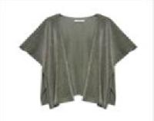 | SAD272W442D3250000_VR2 | Fabiana Filippi | CAPE | Clothing | Woman | GREY | 52%ME 48%NY | € 420.00 | € 420.00 | 1 | 1
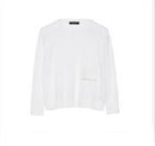 | MAD213F004H6210000_VR1 | Fabiana Filippi | CARDIGAN | Clothing | Woman | WHITE | 53%WV 47%CO | € 580.00 | € 580.00 | 1 |  |  |  |  |  |  |  |  |  |  |  |  |  | 1
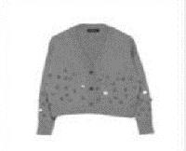 | MAD213F030H6290000_VR3 | Fabiana Filippi | CARDIGAN | Clothing | Woman | GREY | 75%WV 15%SE 10%WS | € 620.00 | € 620.00 | 1 |  |  |  |  |  |  |  |  |  |  |  |  |  | 1
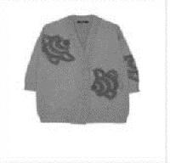 | MAD213F041H6340000_VR2 | Fabiana Filippi | CARDIGAN | Clothing | Woman | GREY | 75%WV 15%SE 10%WS | € 1260.00 | € 1260.00 | 1 |  |  |  |  |  |  |  |  |  |  |  |  |  | 1
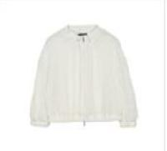 | MAD213F057H6370000_094 | Fabiana Filippi | CARDIGAN | Clothing | Woman | WHITE | 35%WM 35%WP 30%PA|100%PA | € 690.00 | € 690.00 | 1 |  |  |  |  |  |  |  |  |  |  |  |  |  | 1
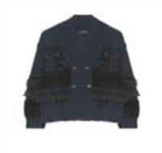 | MAD223F413H8240000_VR1 | Fabiana Filippi | CARDIGAN | Clothing | Woman | WHITE | 48%WV 20%SE 17%WS 11%WP 4%PL | € 1480.00 | € 1480.00 | 1 |  |  |  |  |  |  |  |  |  | 1
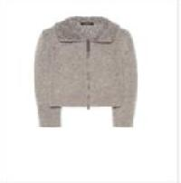 | MAD223F433H1170000_VR1 | Fabiana Filippi | CARDIGAN | Clothing | Woman | WHITE | 43%WP 40%WV 7%PA 6%SE 4%WS | € 740.00 | € 740.00 | 1 |  |  |  |  |  |  |  |  |  | 1
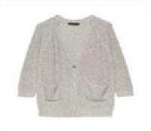 | MAD272B652F7080000_VR3 | Fabiana Filippi | CARDIGAN | Clothing | Woman | BLACK | 35%WP 33%WM 30%PA 1%PL 1%ME | € 825.00 | € 825.00 | 1 |  |  |  |  |  |  |  |  |  |  |  |  |  | 1
 | MAD272B659F7100000_VR1 | Fabiana Filippi | CARDIGAN | Clothing | Woman | BROWN | 61%CO 38%LI 1%PL | € 915.00 | € 915.00 | 1 |  |  |  |  |  |  |  |  |  |  |  |  |  | 1
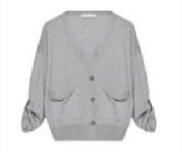 | MAD272W006V6110000_8132 | Fabiana Filippi | CARDIGAN | Clothing | Woman | GREY | 55%WV 40%CO 5%WS | € 480.00 | € 480.00 | 1 |  |  |  |  |  |  |  |  |  |  |  |  |  |  |  |  |  |  | 1
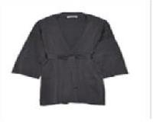 | MAD272W034D2900000_1238 | Fabiana Filippi | CARDIGAN | Clothing | Woman | BROWN | 100%CO | € 555.00 | € 555.00 | 1 |  |  |  |  |  |  |  |  |  |  |  |  |  |  |  |  |  | 1
 | MAD272W034D2900000_5131 | Fabiana Filippi | CARDIGAN | Clothing | Woman | BLUE | 100%CO | € 555.00 | € 555.00 | 1 |  |  |  |  |  |  |  |  |  |  |  |  |  |  |  | 1
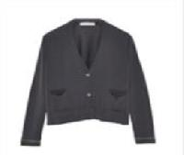 | MAD272W041D2900000_8169 | Fabiana Filippi | CARDIGAN | Clothing | Woman | GREY | 100%CO | € 425.00 | € 425.00 | 1 |  |  |  |  |  |  |  |  |  |  |  |  |  |  |  |  |  | 1
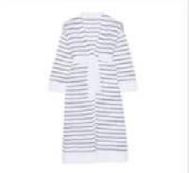 | MAD272W052D2900000_8154 | Fabiana Filippi | CARDIGAN | Clothing | Woman | GREY | 100%CO | € 550.00 | € 550.00 | 1 |  |  |  |  |  |  |  |  |  | 1
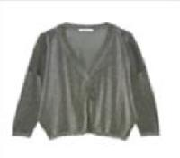 | MAD272W065D3250000_VR1 | Fabiana Filippi | CARDIGAN | Clothing | Woman | YELLOW | 52%ME 48%NY | € 490.00 | € 490.00 | 1 |  |  |  |  |  |  |  |  |  |  |  |  |  |  |  |  | 1
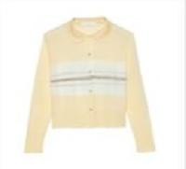 | MAD272W075I2360000_VR3 | Fabiana Filippi | CARDIGAN | Clothing | Woman | BROWN | 64%LI 36%VI | € 425.00 | € 425.00 | 1 |  |  |  |  |  |  |  |  |  |  |  |  |  |  |  | 1
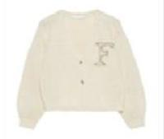 | MAD272W094I2430000_075 | Fabiana Filippi | CARDIGAN | Clothing | Woman | WHITE | 100%CO | € 495.00 | € 495.00 | 1 |  |  |  |  |  |  |  |  |  |  |  |  |  |  |  |  | 1
 | MAD272W094I2430000_6138 | Fabiana Filippi | CARDIGAN | Clothing | Woman | GREEN | 100%CO | € 495.00 | € 495.00 | 1 |  |  |  |  |  |  |  |  |  |  |  |  |  |  |  | 1
 | MAD272W094I2430000_825 | Fabiana Filippi | CARDIGAN | Clothing | Woman | BLACK | 100%CO | € 495.00 | € 495.00 | 1 |  |  |  |  |  |  |  |  |  |  |  |  |  |  |  | 1
 | MAD272W100I2470000_VR1 | Fabiana Filippi | CARDIGAN | Clothing | Woman | BEIGE | 63%CO 24%LI 13%SE | € 445.00 | € 445.00 | 1 |  |  |  |  |  |  |  |  |  | 1
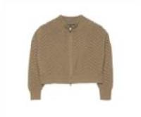 | MAD213F049N9000000_25 | Fabiana Filippi | CARDIGAN | Clothing | Woman | WHITE | 100%WS | € 990.00 | € 1980.00 | 2 |  |  |  |  |  |  |  |  |  |  |  |  |  |  |  | 1 | 1
 | MAD272B655D2730000_25 | Fabiana Filippi | CARDIGAN | Clothing | Woman | WHITE | 61%CO 38%LI 1%PL | € 1155.00 | € 2310.00 | 2 |  |  |  |  |  |  |  |  |  |  |  |  |  |  |  | 2
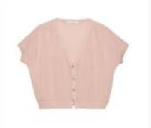 | MAD272W047D2900000_2169 | Fabiana Filippi | CARDIGAN | Clothing | Woman | PINK | 100%CO | € 360.00 | € 720.00 | 2 |  |  |  |  |  |  |  |  |  |  |  |  |  |  |  | 2
 | MAD272B657F7090000_VR1 | Fabiana Filippi | CARDIGAN | Clothing | Woman | WHITE | 61%CO 38%LI 1%PL | € 980.00 | € 4900.00 | 5 |  |  |  |  |  |  |  |  |  | 1 |  |  |  | 3 |  | 1
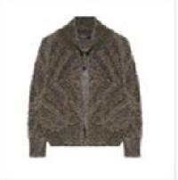 | MAD223F450H7550000_VR2 | Fabiana Filippi | CARDIGAN | Clothing | Woman | GREY | 51%VI 16%PA 13%ME 10%WM 10%WP | € 820.00 | € 4920.00 | 6 |  |  |  |  |  |  |  |  |  |  |  |  |  | 3 |  | 3
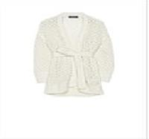 | MAD213F034H6310000_VR1 | Fabiana Filippi | CARDIGAN | Clothing | Woman | WHITE | 48%WV 13%WM 13%WP 11%PA 9%SE 6%WS | € 730.00 | € 5840.00 | 8 |  |  |  |  |  |  |  |  |  | 1 |  |  |  | 3 |  | 4
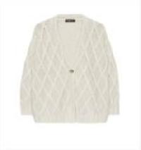 | MAD223F409H7420000_VR1 | Fabiana Filippi | CARDIGAN | Clothing | Woman | BEIGE | 56%WV 11%SE 9%WM 9%WP 8%PA 7%WS | € 700.00 | € 8400.00 | 12 |  |  |  |  |  |  |  |  |  | 3 |  |  |  | 3 |  | 3 | 1 |  | 1 | 1
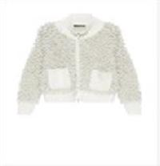 | MAD223F416H7430000_VR1 | Fabiana Filippi | CARDIGAN | Clothing | Woman | WHITE | 57%VI 15%PA 14%ME 7%WM 7%WP | € 1470.00 | € 24990.00 | 17 |  |  |  |  |  |  |  |  |  |  |  |  |  | 10 |  | 5 | 2
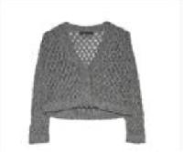 | MAD272B678F7150000_VR2 | Fabiana Filippi | CARDIGAN | Clothing | Woman | BLUE | 30%LI 25%CO 22%WM 14%PA 7%PL 2%ME | € 590.00 | € 14160.00 | 24 |  |  |  |  |  | 1 |  |  |  | 2 |  |  |  | 3 |  | 9 | 7 | 2
 | MAD272W052I2310000_VR1 | Fabiana Filippi | CARDIGAN | Clothing | Woman | WHITE | 100%CO | € 550.00 | € 13200.00 | 24 |  |  |  |  |  |  |  |  |  |  |  |  |  | 10 |  | 9 | 5
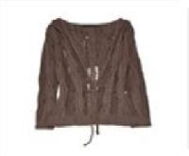 | MAD272B655D2730000_1239 | Fabiana Filippi | CARDIGAN | Clothing | Woman | BROWN | 61%CO 38%LI 1%PL | € 1155.00 | € 30030.00 | 26 |  |  |  |  |  |  |  |  |  | 1 |  |  |  | 11 |  | 8 | 5 |  | 1
 | CTD272B774F7860000_087 | Fabiana Filippi | COAT | Clothing | Woman | WHITE | 87%PL 13%PA | € 690.00 | € 690.00 | 1 |  |  |  |  |  |  |  |  |  | 1
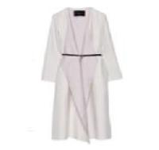 | CTD272B778F7850000_VR1 | Fabiana Filippi | COAT | Clothing | Woman | WHITE | 70%WS 30%SE | € 2485.00 | € 2485.00 | 1 |  |  |  |  |  |  |  |  |  |  |  |  |  | 1
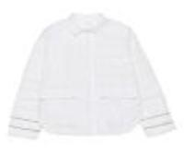 | CTD272W248I3720000_0130 | Fabiana Filippi | COAT | Clothing | Woman | BEIGE | 100%PL | € 780.00 | € 780.00 | 1 |  |  |  |  |  |  |  |  |  |  |  |  |  |  |  | 1
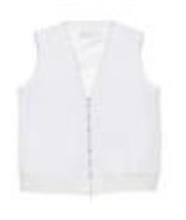 | CTD272W251I3700000_0130 | Fabiana Filippi | COAT | Clothing | Woman | BEIGE | 100%PL | € 485.00 | € 485.00 | 1 |  |  |  |  |  |  |  |  |  |  |  |  |  |  |  |  |  |  |  | 1
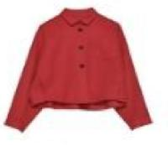 | CTD272W255V5330000_8154 | Fabiana Filippi | COAT | Clothing | Woman | GREY | 88%WV 10%SE 2%PA | € 1090.00 | € 1090.00 | 1 |  |  |  |  |  |  |  |  |  |  |  |  |  |  |  |  |  |  | 1
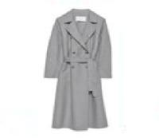 | CTD272W256V5330000_8154 | Fabiana Filippi | COAT | Clothing | Woman | GREY | 88%WV 10%SE 2%PA | € 1785.00 | € 1785.00 | 1 |  |  |  |  |  |  |  |  |  |  |  |  |  |  |  |  |  |  | 1
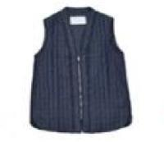 | CTD272W263I4850000_VRU | Fabiana Filippi | COAT | Clothing | Woman | BLUE | 100%CO | € 430.00 | € 430.00 | 1 |  |  |  |  |  |  |  |  |  | 1
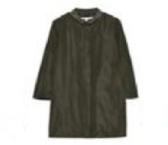 | CTD272W266D2600000_21 | Fabiana Filippi | COAT | Clothing | Woman | WHITE | 100%PL | € 680.00 | € 680.00 | 1 |  |  |  |  |  |  |  |  |  |  |  |  |  |  |  |  | 1
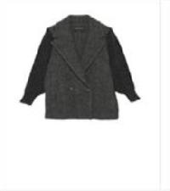 | CTD213F186H6780000_VR2 | Fabiana Filippi | COAT | Clothing | Woman | GREY | 45%WV 40%WP 12%PA 3%WS|57%VI 43%PBT | € 1200.00 | € 2400.00 | 2 |  |  |  |  |  |  |  |  |  |  |  |  |  | 1 |  | 1
 | CTD272W255V5330000_8149 | Fabiana Filippi | COAT | Clothing | Woman | GREY | 88%WV 10%SE 2%PA | € 1090.00 | € 2180.00 | 2 |  |  |  |  |  |  |  |  |  | 2
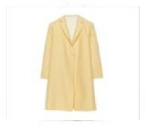 | CTDP02W252X7500000_3032 | Fabiana Filippi | COAT | Clothing | Woman | RED | 88%WV 12%SE | € 1240.00 | € 2480.00 | 2 |  |  |  |  |  |  |  |  |  |  |  |  |  |  |  | 2
 | CTD213F276H6650000_1248 | Fabiana Filippi | COAT | Clothing | Woman | CAMEL | 100%PL | € 935.00 | € 2805.00 | 3 |  |  |  |  |  |  |  |  |  |  |  |  |  | 3
 | CTD223F554H8570000_VR1 | Fabiana Filippi | COAT | Clothing | Woman | BEIGE | 100%WP|57%VI 43%PBT | € 2380.00 | € 7140.00 | 3 |  |  |  |  |  |  |  |  |  |  |  |  |  | 1 |  |  | 1 | 1
 | CTD272W248I3720000_21 | Fabiana Filippi | COAT | Clothing | Woman | WHITE | 100%PL | € 780.00 | € 3120.00 | 4 |  |  |  |  |  |  |  |  |  |  |  |  |  | 2 |  | 2
 | CTD213F197H6870000_2179 | Fabiana Filippi | COAT | Clothing | Woman | PURPLE | 100%PL|100% PA | € 880.00 | € 4400.00 | 5 |  |  |  |  |  |  |  |  |  | 1 |  |  |  | 2 |  | 1 |  | 1
 | CTD223F544H7880000_825 | Fabiana Filippi | COAT | Clothing | Woman | BLACK | 100%WV|100%PA | € 1500.00 | € 7500.00 | 5 |  |  |  |  |  |  |  |  |  |  |  |  |  | 5
 | PLD223F588H8110000_25 | Fabiana Filippi | COAT | Clothing | Woman | WHITE | 100% SHEARLING|57%VI 43%PBT | € 4950.00 | € 34650.00 | 7 |  |  |  |  |  |  |  |  |  |  |  |  |  | 4 |  | 2 | 1
 | CTD223F554H7920000_8132 | Fabiana Filippi | COAT | Clothing | Woman | GREY | 100%WV|57%VI 43% | € 1650.00 | € 13200.00 | 8 |  |  |  |  |  |  |  |  |  |  |  |  |  | 5 |  | 1 | 1 | 1
 | PLD223F590H8030000_VRU | Fabiana Filippi | COAT | Clothing | Woman | VRU | 100% SHEARLING|73%AC 27%PL | € 2450.00 | € 39200.00 | 16 |  |  |  |  |  |  |  |  |  | 3 |  |  |  | 6 |  | 4 | 2 | 1
 | CTD272W255V5330000_3032 | Fabiana Filippi | COAT | Clothing | Woman | RED | 88%WV 10%SE 2%PA | € 1090.00 | € 18530.00 | 17 |  |  |  |  |  |  |  |  |  |  |  |  |  | 4 |  | 2 | 5 | 5 | 1
 | CTD272W254I3730000_8149 | Fabiana Filippi | COAT | Clothing | Woman | GREY | 88%WV 10%SE 2%PA | € 1525.00 | € 27450.00 | 18 |  |  |  |  |  |  |  |  |  | 2 |  |  |  | 9 |  | 2 | 3 | 2
 | SAD213A715H9050000_VRU | Fabiana Filippi | DOWN VEST | Clothing | Woman | VRU | 80%WO 20%PA | € 670.00 | € 6030.00 | 9 |  |  | 6 | 2 | 1
 | ABD213F144H7220000_825 | Fabiana Filippi | DRESS | Clothing | Woman | BLACK | 100%PL|100%PL | € 990.00 | € 990.00 | 1 |  |  |  |  |  |  |  |  |  |  |  |  |  |  |  |  | 1
 | ABD213F146H5560000_825 | Fabiana Filippi | DRESS | Clothing | Woman | BLACK | 81%CO 19%SE | € 680.00 | € 680.00 | 1 |  |  |  |  |  |  |  |  |  |  |  |  |  |  |  | 1
 | ABD213F148D5620000_6150 | Fabiana Filippi | DRESS | Clothing | Woman | GREEN | 53%PL 43%WV 4%EA|57%VI 43%PBT | € 640.00 | € 640.00 | 1 |  |  |  |  |  |  |  |  |  |  |  |  |  | 1
 | ABD213F156H6720000_825 | Fabiana Filippi | DRESS | Clothing | Woman | BLACK | 100%SE|100%PL | € 1100.00 | € 1100.00 | 1 |  |  |  |  |  |  |  |  |  |  |  |  |  | 1
 | ABD223F481H7280000_1251 | Fabiana Filippi | DRESS | Clothing | Woman | BROWN | 75%WV 15%SE 10%WS | € 580.00 | € 580.00 | 1 |  |  |  |  |  |  |  |  |  |  |  |  |  | 1
 | ABD223F490H7690000_8178 | Fabiana Filippi | DRESS | Clothing | Woman | GREY | 53%PL 43%WV 4%EA|100%PL | € 760.00 | € 760.00 | 1 |  |  |  |  |  |  |  |  |  |  |  |  |  |  |  |  |  | 1
 | ABD223F491H7700000_2184 | Fabiana Filippi | DRESS | Clothing | Woman | PINK | 99%VI 1%EA|82%PL 18%EA | € 580.00 | € 580.00 | 1 |  |  |  |  |  |  |  |  |  |  |  |  |  |  |  |  |  | 1
 | ABD223F504H7770000_1250 | Fabiana Filippi | DRESS | Clothing | Woman | BROWN | 96%SE 4%EA | € 1200.00 | € 1200.00 | 1 |  |  |  |  |  |  |  |  |  |  |  |  |  | 1
 | ABD223F504H7770000_25 | Fabiana Filippi | DRESS | Clothing | Woman | WHITE | 96%SE 4%EA | € 1200.00 | € 1200.00 | 1 |  |  |  |  |  |  |  |  |  |  |  |  |  | 1
 | ABD271W165D2520000_21 | Fabiana Filippi | DRESS | Clothing | Woman | WHITE | 100%CO | € 495.00 | € 495.00 | 1 |  |  |  |  |  |  |  |  |  |  |  |  |  |  |  |  | 1
 | ABD271W178F2400000_8154 | Fabiana Filippi | DRESS | Clothing | Woman | GREY | 100%LI | € 685.00 | € 685.00 | 1 |  |  |  |  |  |  |  |  |  | 1
 | ABD271W190D2550000_VR2 | Fabiana Filippi | DRESS | Clothing | Woman | RED | 63%VI 37%SE | € 645.00 | € 645.00 | 1 |  |  |  |  |  |  |  |  |  |  |  |  |  | 1
 | ABD272B713F7130000_VR1 | Fabiana Filippi | DRESS | Clothing | Woman | BEIGE | 50%LI 50%WM | € 645.00 | € 645.00 | 1 |  |  |  |  |  |  |  |  |  | 1
 | ABD272B731F7550000_825 | Fabiana Filippi | DRESS | Clothing | Woman | BLACK | 100%PL | € 940.00 | € 940.00 | 1 |  |  |  |  |  |  |  |  |  |  |  |  |  |  |  | 1
 | ABD272B734F7570000_5134 | Fabiana Filippi | DRESS | Clothing | Woman | BLUE | 97%VI 3%LY | € 645.00 | € 645.00 | 1 |  |  |  |  |  |  |  |  |  |  |  |  |  |  |  |  | 1
 | ABD272B734F7570000_761 | Fabiana Filippi | DRESS | Clothing | Woman | YELLOW | 97%VI 3%LY | € 645.00 | € 645.00 | 1 |  |  |  |  |  |  |  |  |  |  |  |  |  |  |  |  | 1
 | ABD272W156V6110000_8132 | Fabiana Filippi | DRESS | Clothing | Woman | GREY | 55%WV 40%CO 5%WS | € 645.00 | € 645.00 | 1 |  |  |  |  |  |  |  |  |  |  |  |  |  |  |  | 1
 | ABD272W158D2900000_3032 | Fabiana Filippi | DRESS | Clothing | Woman | RED | 100%CO | € 675.00 | € 675.00 | 1 |  |  |  |  |  |  |  |  |  |  |  |  |  | 1
 | ABD272W159I3220000_VR3 | Fabiana Filippi | DRESS | Clothing | Woman | YELLOW | 68%CO 25%VI 7%PL | € 495.00 | € 495.00 | 1 |  |  |  |  |  |  |  |  |  | 1
 | ABD272W161D3660000_0117 | Fabiana Filippi | DRESS | Clothing | Woman | WHITE | 100%CO | € 590.00 | € 590.00 | 1 |  |  |  |  |  |  |  |  |  |  |  |  |  |  |  |  | 1
 | ABD272W161D3660000_756 | Fabiana Filippi | DRESS | Clothing | Woman | YELLOW | 100%CO | € 590.00 | € 590.00 | 1 |  |  |  |  |  |  |  |  |  |  |  |  |  |  |  | 1
 | ABD272W168D2800000_8132 | Fabiana Filippi | DRESS | Clothing | Woman | GREY | 100%CO | € 380.00 | € 380.00 | 1 |  |  |  |  |  |  |  |  |  |  |  |  |  |  |  | 1
 | ABD272W177D380M093_1238 | Fabiana Filippi | DRESS | Clothing | Woman | BROWN | 92%CO 8%SE | € 580.00 | € 580.00 | 1 |  |  |  |  |  |  |  |  |  |  |  |  |  |  |  |  |  |  |  | 1
 | ABD272W177D380M093_6138 | Fabiana Filippi | DRESS | Clothing | Woman | GREEN | 92%CO 8%SE | € 580.00 | € 580.00 | 1 |  |  |  |  |  |  |  |  |  |  |  |  |  |  |  |  |  | 1
 | ABD272W185I4860000_2169 | Fabiana Filippi | DRESS | Clothing | Woman | PINK | 74%AC 26%SE | € 695.00 | € 695.00 | 1 |  |  |  |  |  |  |  |  |  |  |  |  |  |  |  | 1
 | ABD272W185I4860000_825 | Fabiana Filippi | DRESS | Clothing | Woman | BLACK | 74%AC 26%SE | € 695.00 | € 695.00 | 1 |  |  |  |  |  |  |  |  |  |  |  |  |  |  |  |  | 1
 | ABD272W192D3650000_0128 | Fabiana Filippi | DRESS | Clothing | Woman | BEIGE | 66%LI 32%CO 2%EA | € 625.00 | € 625.00 | 1 |  |  |  |  |  |  |  |  |  |  |  |  |  | 1
 | ABD272W192D3650000_21 | Fabiana Filippi | DRESS | Clothing | Woman | WHITE | 66%LI 32%CO 2%EA | € 625.00 | € 625.00 | 1 |  |  |  |  |  |  |  |  |  |  |  |  |  | 1
 | ABD213F146D5540000_1248 | Fabiana Filippi | DRESS | Clothing | Woman | CAMEL | 100%WV|57%VI 43% | € 830.00 | € 1660.00 | 2 |  |  |  |  |  |  |  |  |  |  |  |  |  |  |  |  |  |  | 1 | 1
 | ABD223F508H7720000_VR2 | Fabiana Filippi | DRESS | Clothing | Woman | BLUE | 100%PL|100%PL | € 650.00 | € 1300.00 | 2 |  |  |  |  |  |  |  |  |  |  |  |  |  | 2
 | ABD272B725D4070000_VRU | Fabiana Filippi | DRESS | Clothing | Woman | WHITE | 100%CO | € 825.00 | € 1650.00 | 2 |  |  |  |  |  |  |  |  |  |  |  |  |  | 2
 | ABD272W199I3360000_VRU | Fabiana Filippi | DRESS | Clothing | Woman | WHITE | 74%CO 26%SE | € 810.00 | € 1620.00 | 2 |  |  |  |  |  |  |  |  |  |  |  |  |  | 2
 | ABD272W210D2970000_825 | Fabiana Filippi | DRESS | Clothing | Woman | BLACK | 57%AC 43%SE | € 670.00 | € 1340.00 | 2 |  |  |  |  |  |  |  |  |  |  |  |  |  | 2
 | ABD213F146D5540000_2180 | Fabiana Filippi | DRESS | Clothing | Woman | PURPLE | 100%WV|57%VI 43% | € 830.00 | € 2490.00 | 3 |  |  |  |  |  |  |  |  |  |  |  |  |  | 2 |  | 1
 | ABD272W170D2520000_4023 | Fabiana Filippi | DRESS | Clothing | Woman | ORANGE | 100%CO | € 540.00 | € 1620.00 | 3 |  |  |  |  |  |  |  |  |  |  |  |  |  | 1 |  |  | 2
 | ABD213F136H6240000_8132 | Fabiana Filippi | DRESS | Clothing | Woman | GREY | 68%PC 29%WO 2%PA 1%PL |100%PL | € 980.00 | € 4900.00 | 5 |  |  |  |  |  |  |  |  |  |  |  |  |  | 4 |  | 1
 | ABD272W197I3350000_VRU | Fabiana Filippi | DRESS | Clothing | Woman | WHITE | 100%CO | € 785.00 | € 3925.00 | 5 |  |  |  |  |  |  |  |  |  |  |  |  |  | 4 |  |  |  | 1
 | ABD213F154H7190000_1248 | Fabiana Filippi | DRESS | Clothing | Woman | CAMEL | 100%PL | € 850.00 | € 10200.00 | 12 |  |  |  |  |  |  |  |  |  | 1 |  |  |  | 3 |  | 2 | 2 | 2 | 1 | 1
 | ABD272W172I3240000_825 | Fabiana Filippi | DRESS | Clothing | Woman | BLACK | 100%PL | € 695.00 | € 12510.00 | 18 |  |  |  |  |  | 1 |  |  |  | 2 |  |  |  | 6 |  | 2 | 3 | 2 | 1 | 1
 | ABD272W198I3360000_VRU | Fabiana Filippi | DRESS | Clothing | Woman | WHITE | 74%CO 26%SE | € 850.00 | € 17000.00 | 20 |  |  |  |  |  |  |  |  |  | 3 |  |  |  | 8 |  | 5 |  | 3 | 1
 | ABD272W205D3930000_VRU | Fabiana Filippi | DRESS | Clothing | Woman | BEIGE | 100%VI | € 740.00 | € 18500.00 | 25 |  |  |  |  |  |  |  |  |  | 3 |  |  |  | 9 |  | 8 | 4 | 1
 | GCD271W510F2450000_VR7 | Fabiana Filippi | JACKET | Clothing | Woman | GREY | 94%CO 6%EA | € 295.00 | € 295.00 | 1 |  |  |  |  |  |  |  |  |  |  |  |  |  |  |  |  |  | 1
 | GCD271W510F2450000_VR9 | Fabiana Filippi | JACKET | Clothing | Woman | GREY | 94%CO 6%EA | € 295.00 | € 295.00 | 1 |  |  |  |  |  |  |  |  |  |  |  |  |  | 1
 | GCD272B765F7570000_5134 | Fabiana Filippi | JACKET | Clothing | Woman | BLUE | 97%VI 3%LY | € 775.00 | € 775.00 | 1 |  |  |  |  |  |  |  |  |  |  |  |  |  |  |  |  | 1
 | GCD272W232D3790000_VR1 | Fabiana Filippi | JACKET | Clothing | Woman | WHITE | 99%CO 1%LI | € 490.00 | € 490.00 | 1 |  |  |  |  |  |  |  |  |  |  |  |  |  | 1
 | PLD272W284I3880000_8168 | Fabiana Filippi | JACKET | Clothing | Woman | GREY | 100% LE | € 1690.00 | € 1690.00 | 1 |  |  |  |  |  |  |  |  |  |  |  |  |  | 1
 | GCD271B710D2670000_8160 | Fabiana Filippi | JACKET | Clothing | Woman | GREY | 54%CO 46%AC | € 740.00 | € 2220.00 | 3 |  |  |  |  |  |  |  |  |  | 1 |  |  |  | 1 |  |  |  | 1
...

